Sheet1
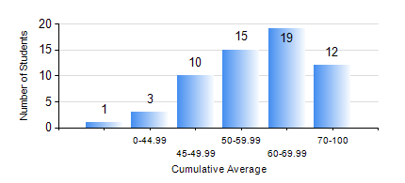
 |  |  | KWAME NKRUMAH UNIVERSITY OF SCIENCE AND TECHNOLOGY, KUMASI Department of Materials Engineering

 |  |  | BSC. METALLURGICAL ENG.

 |  |  | COMPREHENSIVE RECORD OF EXAMINATION RESULTS

 |  |  | RESULTS OF YEAR 1 SECOND SEMESTER, 2022/2023 ACADEMIC YEAR

 | Sn | Course Code |  | Course Name | Credit Hours | Min. Mark | Max. Mark | Avg. Mark | Std. Dev. | No. Passed | No. Trailed | No. (Df) | No. (I) | No. (I*) | No. Tagged(I,I*,Df) | Total
 | 0. |  |  |  |  |  |  | 0 | 0 | 0 | 0 | 0 | 0 | 0 | 0 | 2
 | 1. | ENGL 158 |  | COMMUNICATION SKILLS II | 2 | 48 | 84 | 67 | 8.54 | 58 | 0 | 0 | 0 | 0 | 0 | 58
 | 2. | MATH 152 |  | CALCULUS WITH ANALYSIS | 4 | 40 | 87 | 62 | 11.41 | 58 | 0 | 0 | 0 | 0 | 0 | 58
 | 3. | ME 160 |  | ENGINEERING DRAWING | 2 | 30 | 79 | 55 | 11.06 | 55 | 3 | 0 | 0 | 0 | 0 | 58
 | 4. | ME 162 |  | BASIC MECHANICS | 3 | 27 | 98 | 75 | 18.15 | 57 | 1 | 0 | 0 | 0 | 0 | 58
 | 5. | METE 152 |  | CHEMISTRY FOR METALLURGICAL ENGINEERS | 3 | 15 | 78 | 60 | 11.56 | 56 | 1 | 0 | 1 | 0 | 1 | 58
 | 6. | METE 154 |  | ENVIRONMENTAL SCIENCE | 2 | 40 | 77 | 56 | 10.71 | 58 | 0 | 0 | 0 | 0 | 0 | 58
 | 7. | MSE 154 |  | PRINCIPLES OF MATERIALS SCIENCE | 2 | 40 | 93 | 64 | 13.94 | 56 | 0 | 2 | 0 | 0 | 2 | 58

